khushi stroop effect
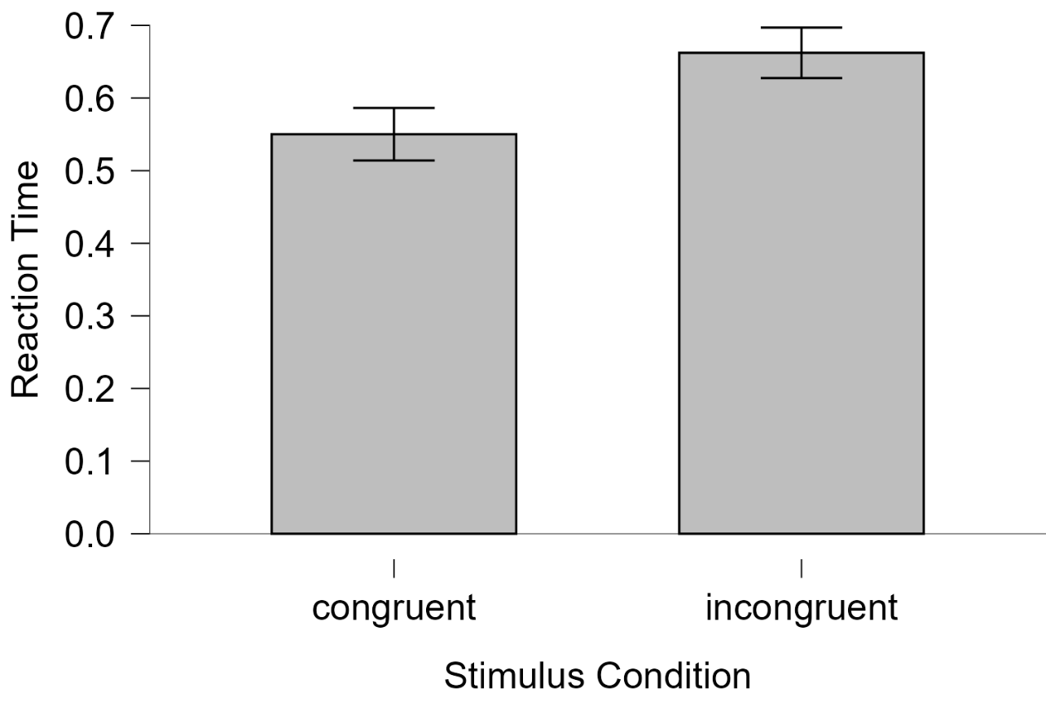
Word | Color | Stimulus_cond | Corr_res | thisN | thisTrialN | thisRepN | key_resp.keys | key_resp.corr | key_resp.rt | key_resp.duration | trials.thisRepN | trials.thisTrialN | trials.thisN | trials.thisIndex | thisRow.t | notes | Instructions.started | text_2.started | text_2.stopped | Instructions.stopped | trial.started | Fixation.started | Fixation.stopped | text.started | key_resp.started | trial.stopped | trials.key_resp.keys | trials.key_resp.corr | trials.key_resp.rt | trials.key_resp.duration | Thankyou.started | text_3.started | text_3.stopped | Thankyou.stopped | participant | session | date | expName | expVersion | psychopyVersion | frameRate | expStart | congruent | incongruent
 |  |  |  |  |  |  |  |  |  |  |  |  |  |  |  |  | 0.0047699 | 0.0125329 | 1.0238309 | 0.9974048 |  |  |  |  |  |  |  |  |  |  |  |  |  |  | 107568 | 1 | 2025-08-25_16h15.38.076 | Stroop effect |  | 2025.1.1 | 59.54592658 | 2025-08-25 16h15.39.795536 +0530 | 1.0674298 | 1.0674298
BLUE | Blue | C | b | 0 | 0 | 0 | b | 1 | 1.0674298 | None | 0 | 0 | 0 | 2 | 1.0238309 |  |  |  |  |  | 1.018465 | 1.0238309 | 1.5138295 | 1.5138295 | 1.5138295 | 2.5892468 | b | 1 | 1.0674298 | None |  |  |  |  | 107568 | 1 | 2025-08-25_16h15.38.076 | Stroop effect |  | 2025.1.1 | 59.54592658 | 2025-08-25 16h15.39.795536 +0530 | 0.8099174 | 1.2717319
BLUE | Red | I | r | 1 | 1 | 0 | r | 1 | 1.2717319 | None | 0 | 1 | 1 | 3 | 2.5970589 |  |  |  |  |  | 2.5898094 | 2.5970589 | 3.0966001 | 3.0966001 | 3.0966001 | 4.3812606 | r | 1 | 1.2717319 | None |  |  |  |  | 107568 | 1 | 2025-08-25_16h15.38.076 | Stroop effect |  | 2025.1.1 | 59.54592658 | 2025-08-25 16h15.39.795536 +0530 | 0.7771513 | 0.8956392
RED | Red | C | r | 2 | 2 | 0 | r | 1 | 0.8099174 | None | 0 | 2 | 2 | 0 | 4.399155 |  |  |  |  |  | 4.3909377 | 4.399155 | 4.8968981 | 4.8968981 | 4.8968981 | 5.7147678 | r | 1 | 0.8099174 | None |  |  |  |  | 107568 | 1 | 2025-08-25_16h15.38.076 | Stroop effect |  | 2025.1.1 | 59.54592658 | 2025-08-25 16h15.39.795536 +0530 | 0.968893 | 0.8170431
RED | Blue | I | b | 3 | 3 | 0 | b | 1 | 0.8956392 | None | 0 | 3 | 3 | 1 | 5.730041 |  |  |  |  |  | 5.7158621 | 5.730041 | 6.2306639 | 6.2306639 | 6.2306639 | 7.1298929 | b | 1 | 0.8956392 | None |  |  |  |  | 107568 | 1 | 2025-08-25_16h15.38.076 | Stroop effect |  | 2025.1.1 | 59.54592658 | 2025-08-25 16h15.39.795536 +0530 | 0.5798618 | 0.8489459
BLUE | Red | I | r | 4 | 0 | 1 | r | 1 | 0.8170431 | None | 1 | 0 | 4 | 3 | 7.1456346 |  |  |  |  |  | 7.1329593 | 7.1456346 | 7.6304741 | 7.6304741 | 7.6304741 | 8.4481265 | r | 1 | 0.8170431 | None |  |  |  |  | 107568 | 1 | 2025-08-25_16h15.38.076 | Stroop effect |  | 2025.1.1 | 59.54592658 | 2025-08-25 16h15.39.795536 +0530 | 0.959505 | 0.6740823
BLUE | Blue | C | b | 5 | 1 | 1 | b | 1 | 0.7771513 | None | 1 | 1 | 5 | 2 | 8.4633322 |  |  |  |  |  | 8.4491659 | 8.4633322 | 8.962839 | 8.962839 | 8.962839 | 9.7477146 | b | 1 | 0.7771513 | None |  |  |  |  | 107568 | 1 | 2025-08-25_16h15.38.076 | Stroop effect |  | 2025.1.1 | 59.54592658 | 2025-08-25 16h15.39.795536 +0530 | 0.4738453 | 0.7994988
RED | Red | C | r | 6 | 2 | 1 | r | 1 | 0.968893 | None | 1 | 2 | 6 | 0 | 9.7632052 |  |  |  |  |  | 9.7523516 | 9.7632052 | 10.2627316 | 10.2627316 | 10.2627316 | 11.2464189 | r | 1 | 0.968893 | None |  |  |  |  | 107568 | 1 | 2025-08-25_16h15.38.076 | Stroop effect |  | 2025.1.1 | 59.54592658 | 2025-08-25 16h15.39.795536 +0530 | 0.6013839 | 0.8655372
RED | Blue | I | b | 7 | 3 | 1 | b | 1 | 0.8489459 | None | 1 | 3 | 7 | 1 | 11.2626601 |  |  |  |  |  | 11.2469897 | 11.2626601 | 11.7470996 | 11.7470996 | 11.7470996 | 12.5981309 | b | 1 | 0.8489459 | None |  |  |  |  | 107568 | 1 | 2025-08-25_16h15.38.076 | Stroop effect |  | 2025.1.1 | 59.54592658 | 2025-08-25 16h15.39.795536 +0530 | 0.379308 | 0.9092792
BLUE | Blue | C | b | 8 | 0 | 2 | b | 1 | 0.5798618 | None | 2 | 0 | 8 | 2 | 12.6133234 |  |  |  |  |  | 12.6029361 | 12.6133234 | 13.1136483 | 13.1136483 | 13.1136483 | 13.6978767 | b | 1 | 0.5798618 | None |  |  |  |  | 107568 | 1 | 2025-08-25_16h15.38.076 | Stroop effect |  | 2025.1.1 | 59.54592658 | 2025-08-25 16h15.39.795536 +0530 | 0.4636485 | 1.2126561
RED | Red | C | r | 9 | 1 | 2 | r | 1 | 0.959505 | None | 2 | 1 | 9 | 0 | 13.7131743 |  |  |  |  |  | 13.7023156 | 13.7131743 | 14.213464 | 14.213464 | 14.213464 | 15.1813377 | r | 1 | 0.959505 | None |  |  |  |  | 107568 | 1 | 2025-08-25_16h15.38.076 | Stroop effect |  | 2025.1.1 | 59.54592658 | 2025-08-25 16h15.39.795536 +0530 | 0.4043154 | 0.3680054
RED | Blue | I | b | 10 | 2 | 2 | b | 1 | 0.6740823 | None | 2 | 2 | 10 | 1 | 15.196879 |  |  |  |  |  | 15.1825524 | 15.196879 | 15.6971713 | 15.6971713 | 15.6971713 | 16.3807572 | b | 1 | 0.6740823 | None |  |  |  |  | 107568 | 1 | 2025-08-25_16h15.38.076 | Stroop effect |  | 2025.1.1 | 59.54592658 | 2025-08-25 16h15.39.795536 +0530 | 0.4349444 | 0.3488179
BLUE | Red | I | r | 11 | 3 | 2 | r | 1 | 0.7994988 | None | 2 | 3 | 11 | 3 | 16.3968537 |  |  |  |  |  | 16.3855234 | 16.3968537 | 16.8796696 | 16.8796696 | 16.8796696 | 17.680898 | r | 1 | 0.7994988 | None |  |  |  |  | 107568 | 1 | 2025-08-25_16h15.38.076 | Stroop effect |  | 2025.1.1 | 59.54592658 | 2025-08-25 16h15.39.795536 +0530 | 0.6426883 | 0.5837447
BLUE | Blue | C | b | 12 | 0 | 3 | b | 1 | 0.4738453 | None | 3 | 0 | 12 | 2 | 17.696495 |  |  |  |  |  | 17.68193 | 17.696495 | 18.1964051 | 18.1964051 | 18.1964051 | 18.6806913 | b | 1 | 0.4738453 | None |  |  |  |  | 107568 | 1 | 2025-08-25_16h15.38.076 | Stroop effect |  | 2025.1.1 | 59.54592658 | 2025-08-25 16h15.39.795536 +0530 | 0.4067919 | 0.3722522
RED | Blue | I | b | 13 | 1 | 3 | r | 0 | 0.8655372 | None | 3 | 1 | 13 | 1 | 18.6968991 |  |  |  |  |  | 18.6854534 | 18.6968991 | 19.1803907 | 19.1803907 | 19.1803907 | 20.0484807 | r | 0 | 0.8655372 | None |  |  |  |  | 107568 | 1 | 2025-08-25_16h15.38.076 | Stroop effect |  | 2025.1.1 | 59.54592658 | 2025-08-25 16h15.39.795536 +0530 | 0.4774115 | 0.4290617
RED | Red | C | r | 14 | 2 | 3 | b | 0 | 0.6013839 | None | 3 | 2 | 14 | 0 | 20.0630605 |  |  |  |  |  | 20.0495956 | 20.0630605 | 20.563546 | 20.563546 | 20.563546 | 21.1811707 | b | 0 | 0.6013839 | None |  |  |  |  | 107568 | 1 | 2025-08-25_16h15.38.076 | Stroop effect |  | 2025.1.1 | 59.54592658 | 2025-08-25 16h15.39.795536 +0530 | 0.4128153 | 0.5538786
BLUE | Red | I | r | 15 | 3 | 3 | r | 1 | 0.9092792 | None | 3 | 3 | 15 | 3 | 21.1967451 |  |  |  |  |  | 21.1860346 | 21.1967451 | 21.6968992 | 21.6968992 | 21.6968992 | 22.6147485 | r | 1 | 0.9092792 | None |  |  |  |  | 107568 | 1 | 2025-08-25_16h15.38.076 | Stroop effect |  | 2025.1.1 | 59.54592658 | 2025-08-25 16h15.39.795536 +0530 | 0.4163207 | 0.3600755
BLUE | Red | I | r | 16 | 0 | 4 | r | 1 | 1.2126561 | None | 4 | 0 | 16 | 3 | 22.6301753 |  |  |  |  |  | 22.6157875 | 22.6301753 | 23.1302244 | 23.1302244 | 23.1302244 | 24.3480663 | r | 1 | 1.2126561 | None |  |  |  |  | 107568 | 1 | 2025-08-25_16h15.38.076 | Stroop effect |  | 2025.1.1 | 59.54592658 | 2025-08-25 16h15.39.795536 +0530 | 0.3679245 | 0.514494
BLUE | Blue | C | b | 17 | 1 | 4 | b | 1 | 0.379308 | None | 4 | 1 | 17 | 2 | 24.3632843 |  |  |  |  |  | 24.3491825 | 24.3632843 | 24.8634779 | 24.8634779 | 24.8634779 | 25.2481433 | b | 1 | 0.379308 | None |  |  |  |  | 107568 | 1 | 2025-08-25_16h15.38.076 | Stroop effect |  | 2025.1.1 | 59.54592658 | 2025-08-25 16h15.39.795536 +0530 | 0.3909831 | 0.4528385
RED | Blue | I | b | 18 | 2 | 4 | b | 1 | 0.3680054 | None | 4 | 2 | 18 | 1 | 25.2631422 |  |  |  |  |  | 25.2543417 | 25.2631422 | 25.7640039 | 25.7640039 | 25.7640039 | 26.1474195 | b | 1 | 0.3680054 | None |  |  |  |  | 107568 | 1 | 2025-08-25_16h15.38.076 | Stroop effect |  | 2025.1.1 | 59.54592658 | 2025-08-25 16h15.39.795536 +0530 | 0.3381137 | 0.4872708
RED | Red | C | r | 19 | 3 | 4 | r | 1 | 0.4636485 | None | 4 | 3 | 19 | 0 | 26.1633333 |  |  |  |  |  | 26.1484699 | 26.1633333 | 26.6636174 | 26.6636174 | 26.6636174 | 27.1320044 | r | 1 | 0.4636485 | None |  |  |  |  | 107568 | 1 | 2025-08-25_16h15.38.076 | Stroop effect |  | 2025.1.1 | 59.54592658 | 2025-08-25 16h15.39.795536 +0530 | 0.3586899 | 0.487513
BLUE | Red | I | r | 20 | 0 | 5 | r | 1 | 0.3488179 | None | 5 | 0 | 20 | 3 | 27.1464488 |  |  |  |  |  | 27.1373472 | 27.1464488 | 27.6470108 | 27.6470108 | 27.6470108 | 27.9985106 | r | 1 | 0.3488179 | None |  |  |  |  | 107568 | 1 | 2025-08-25_16h15.38.076 | Stroop effect |  | 2025.1.1 | 59.54592658 | 2025-08-25 16h15.39.795536 +0530 | 0.3714751 | 0.5525222
BLUE | Blue | C | b | 21 | 1 | 5 | b | 1 | 0.4043154 | None | 5 | 1 | 21 | 2 | 28.0131296 |  |  |  |  |  | 27.9995155 | 28.0131296 | 28.5135863 | 28.5135863 | 28.5135863 | 28.9308438 | b | 1 | 0.4043154 | None |  |  |  |  | 107568 | 1 | 2025-08-25_16h15.38.076 | Stroop effect |  | 2025.1.1 | 59.54592658 | 2025-08-25 16h15.39.795536 +0530 |  | 0.3595354
RED | Blue | I | b | 22 | 2 | 5 | b | 1 | 0.5837447 | None | 5 | 2 | 22 | 1 | 28.9465925 |  |  |  |  |  | 28.9359366 | 28.9465925 | 29.4467154 | 29.4467154 | 29.4467154 | 30.0315492 | b | 1 | 0.5837447 | None |  |  |  |  | 107568 | 1 | 2025-08-25_16h15.38.076 | Stroop effect |  | 2025.1.1 | 59.54592658 | 2025-08-25 16h15.39.795536 +0530
RED | Red | C | r | 23 | 3 | 5 | r | 1 | 0.4349444 | None | 5 | 3 | 23 | 0 | 30.0469027 |  |  |  |  |  | 30.0330193 | 30.0469027 | 30.5467309 | 30.5467309 | 30.5467309 | 30.9974719 | r | 1 | 0.4349444 | None |  |  |  |  | 107568 | 1 | 2025-08-25_16h15.38.076 | Stroop effect |  | 2025.1.1 | 59.54592658 | 2025-08-25 16h15.39.795536 +0530
RED | Blue | I | b | 24 | 0 | 6 | b | 1 | 0.3722522 | None | 6 | 0 | 24 | 1 | 31.0131107 |  |  |  |  |  | 30.9984411 | 31.0131107 | 31.5137155 | 31.5137155 | 31.5137155 | 31.8978026 | b | 1 | 0.3722522 | None |  |  |  |  | 107568 | 1 | 2025-08-25_16h15.38.076 | Stroop effect |  | 2025.1.1 | 59.54592658 | 2025-08-25 16h15.39.795536 +0530
BLUE | Red | I | r | 25 | 1 | 6 | r | 1 | 0.4290617 | None | 6 | 1 | 25 | 3 | 31.9133145 |  |  |  |  |  | 31.9027503 | 31.9133145 | 32.4135907 | 32.4135907 | 32.4135907 | 32.8481642 | r | 1 | 0.4290617 | None |  |  |  |  | 107568 | 1 | 2025-08-25_16h15.38.076 | Stroop effect |  | 2025.1.1 | 59.54592658 | 2025-08-25 16h15.39.795536 +0530
RED | Red | C | r | 26 | 2 | 6 | r | 1 | 0.6426883 | None | 6 | 2 | 26 | 0 | 32.8632837 |  |  |  |  |  | 32.8538779 | 32.8632837 | 33.3635014 | 33.3635014 | 33.3635014 | 34.0144647 | r | 1 | 0.6426883 | None |  |  |  |  | 107568 | 1 | 2025-08-25_16h15.38.076 | Stroop effect |  | 2025.1.1 | 59.54592658 | 2025-08-25 16h15.39.795536 +0530
BLUE | Blue | C | b | 27 | 3 | 6 | b | 1 | 0.4067919 | None | 6 | 3 | 27 | 2 | 34.0297957 |  |  |  |  |  | 34.0193117 | 34.0297957 | 34.5301188 | 34.5301188 | 34.5301188 | 34.9481471 | b | 1 | 0.4067919 | None |  |  |  |  | 107568 | 1 | 2025-08-25_16h15.38.076 | Stroop effect |  | 2025.1.1 | 59.54592658 | 2025-08-25 16h15.39.795536 +0530
RED | Red | C | r | 28 | 0 | 7 | r | 1 | 0.4774115 | None | 7 | 0 | 28 | 0 | 34.9633758 |  |  |  |  |  | 34.9530617 | 34.9633758 | 35.4637193 | 35.4637193 | 35.4637193 | 35.9476733 | r | 1 | 0.4774115 | None |  |  |  |  | 107568 | 1 | 2025-08-25_16h15.38.076 | Stroop effect |  | 2025.1.1 | 59.54592658 | 2025-08-25 16h15.39.795536 +0530
BLUE | Red | I | r | 29 | 1 | 7 | r | 1 | 0.5538786 | None | 7 | 1 | 29 | 3 | 35.9634588 |  |  |  |  |  | 35.9527165 | 35.9634588 | 36.4634175 | 36.4634175 | 36.4634175 | 37.0315366 | r | 1 | 0.5538786 | None |  |  |  |  | 107568 | 1 | 2025-08-25_16h15.38.076 | Stroop effect |  | 2025.1.1 | 59.54592658 | 2025-08-25 16h15.39.795536 +0530
RED | Blue | I | b | 30 | 2 | 7 | b | 1 | 0.3600755 | None | 7 | 2 | 30 | 1 | 37.0467104 |  |  |  |  |  | 37.0364882 | 37.0467104 | 37.547007 | 37.547007 | 37.547007 | 37.9149339 | b | 1 | 0.3600755 | None |  |  |  |  | 107568 | 1 | 2025-08-25_16h15.38.076 | Stroop effect |  | 2025.1.1 | 59.54592658 | 2025-08-25 16h15.39.795536 +0530
BLUE | Blue | C | b | 31 | 3 | 7 | b | 1 | 0.4128153 | None | 7 | 3 | 31 | 2 | 37.9299714 |  |  |  |  |  | 37.9198233 | 37.9299714 | 38.4307765 | 38.4307765 | 38.4307765 | 38.8486248 | b | 1 | 0.4128153 | None |  |  |  |  | 107568 | 1 | 2025-08-25_16h15.38.076 | Stroop effect |  | 2025.1.1 | 59.54592658 | 2025-08-25 16h15.39.795536 +0530
RED | Red | C | r | 32 | 0 | 8 | r | 1 | 0.4163207 | None | 8 | 0 | 32 | 0 | 38.8631346 |  |  |  |  |  | 38.853682 | 38.8631346 | 39.3636079 | 39.3636079 | 39.3636079 | 39.7812952 | r | 1 | 0.4163207 | None |  |  |  |  | 107568 | 1 | 2025-08-25_16h15.38.076 | Stroop effect |  | 2025.1.1 | 59.54592658 | 2025-08-25 16h15.39.795536 +0530
RED | Blue | I | b | 33 | 1 | 8 | b | 1 | 0.514494 | None | 8 | 1 | 33 | 1 | 39.7966472 |  |  |  |  |  | 39.7823526 | 39.7966472 | 40.297013 | 40.297013 | 40.297013 | 40.8146821 | b | 1 | 0.514494 | None |  |  |  |  | 107568 | 1 | 2025-08-25_16h15.38.076 | Stroop effect |  | 2025.1.1 | 59.54592658 | 2025-08-25 16h15.39.795536 +0530
BLUE | Red | I | r | 34 | 2 | 8 | r | 1 | 0.4528385 | None | 8 | 2 | 34 | 3 | 40.8297995 |  |  |  |  |  | 40.8196545 | 40.8297995 | 41.3300858 | 41.3300858 | 41.3300858 | 41.7980218 | r | 1 | 0.4528385 | None |  |  |  |  | 107568 | 1 | 2025-08-25_16h15.38.076 | Stroop effect |  | 2025.1.1 | 59.54592658 | 2025-08-25 16h15.39.795536 +0530
BLUE | Blue | C | b | 35 | 3 | 8 | b | 1 | 0.3679245 | None | 8 | 3 | 35 | 2 | 41.813127 |  |  |  |  |  | 41.7991833 | 41.813127 | 42.3128185 | 42.3128185 | 42.3128185 | 42.6969093 | b | 1 | 0.3679245 | None |  |  |  |  | 107568 | 1 | 2025-08-25_16h15.38.076 | Stroop effect |  | 2025.1.1 | 59.54592658 | 2025-08-25 16h15.39.795536 +0530
RED | Red | C | r | 36 | 0 | 9 | r | 1 | 0.3909831 | None | 9 | 0 | 36 | 0 | 42.7127557 |  |  |  |  |  | 42.7001641 | 42.7127557 | 43.2125494 | 43.2125494 | 43.2125494 | 43.6128252 | r | 1 | 0.3909831 | None |  |  |  |  | 107568 | 1 | 2025-08-25_16h15.38.076 | Stroop effect |  | 2025.1.1 | 59.54592658 | 2025-08-25 16h15.39.795536 +0530
BLUE | Blue | C | b | 37 | 1 | 9 | b | 1 | 0.3381137 | None | 9 | 1 | 37 | 2 | 43.6296212 |  |  |  |  |  | 43.6157818 | 43.6296212 | 44.1122296 | 44.1122296 | 44.1122296 | 44.4639926 | b | 1 | 0.3381137 | None |  |  |  |  | 107568 | 1 | 2025-08-25_16h15.38.076 | Stroop effect |  | 2025.1.1 | 59.54592658 | 2025-08-25 16h15.39.795536 +0530
BLUE | Red | I | r | 38 | 2 | 9 | r | 1 | 0.4872708 | None | 9 | 2 | 38 | 3 | 44.4794091 |  |  |  |  |  | 44.4654295 | 44.4794091 | 44.9791324 | 44.9791324 | 44.9791324 | 45.4809468 | r | 1 | 0.4872708 | None |  |  |  |  | 107568 | 1 | 2025-08-25_16h15.38.076 | Stroop effect |  | 2025.1.1 | 59.54592658 | 2025-08-25 16h15.39.795536 +0530
RED | Blue | I | b | 39 | 3 | 9 | b | 1 | 0.487513 | None | 9 | 3 | 39 | 1 | 45.4967718 |  |  |  |  |  | 45.4862799 | 45.4967718 | 45.9970588 | 45.9970588 | 45.9970588 | 46.4965032 | b | 1 | 0.487513 | None |  |  |  |  | 107568 | 1 | 2025-08-25_16h15.38.076 | Stroop effect |  | 2025.1.1 | 59.54592658 | 2025-08-25 16h15.39.795536 +0530
RED | Red | C | r | 40 | 0 | 10 | r | 1 | 0.3586899 | None | 10 | 0 | 40 | 0 | 46.5126808 |  |  |  |  |  | 46.4973011 | 46.5126808 | 46.9966764 | 46.9966764 | 46.9966764 | 47.3646723 | r | 1 | 0.3586899 | None |  |  |  |  | 107568 | 1 | 2025-08-25_16h15.38.076 | Stroop effect |  | 2025.1.1 | 59.54592658 | 2025-08-25 16h15.39.795536 +0530
BLUE | Blue | C | b | 41 | 1 | 10 | b | 1 | 0.3714751 | None | 10 | 1 | 41 | 2 | 47.379837 |  |  |  |  |  | 47.3702674 | 47.379837 | 47.8804784 | 47.8804784 | 47.8804784 | 48.2646256 | b | 1 | 0.3714751 | None |  |  |  |  | 107568 | 1 | 2025-08-25_16h15.38.076 | Stroop effect |  | 2025.1.1 | 59.54592658 | 2025-08-25 16h15.39.795536 +0530
RED | Blue | I | b | 42 | 2 | 10 | b | 1 | 0.5525222 | None | 10 | 2 | 42 | 1 | 48.2799473 |  |  |  |  |  | 48.2692105 | 48.2799473 | 48.7802936 | 48.7802936 | 48.7802936 | 49.3478516 | b | 1 | 0.5525222 | None |  |  |  |  | 107568 | 1 | 2025-08-25_16h15.38.076 | Stroop effect |  | 2025.1.1 | 59.54592658 | 2025-08-25 16h15.39.795536 +0530
BLUE | Red | I | r | 43 | 3 | 10 | r | 1 | 0.3595354 | None | 10 | 3 | 43 | 3 | 49.3634097 |  |  |  |  |  | 49.3531797 | 49.3634097 | 49.8633329 | 49.8633329 | 49.8633329 | 50.2314234 | r | 1 | 0.3595354 | None |  |  |  |  | 107568 | 1 | 2025-08-25_16h15.38.076 | Stroop effect |  | 2025.1.1 | 59.54592658 | 2025-08-25 16h15.39.795536 +0530
 |  |  |  |  |  |  |  |  |  |  |  |  |  |  |  |  |  |  |  |  |  |  |  |  |  |  |  |  |  |  | 50.231704 | 50.2469403 | 51.2472256 | 51.2311183 | 107568 | 1 | 2025-08-25_16h15.38.076 | Stroop effect |  | 2025.1.1 | 59.54592658 | 2025-08-25 16h15.39.795536 +0530

RESULTS

Paired Samples T-Test
Paired Samples T-Test
Measure 1 |  |  |  | Measure 2 |  | t |  | df |  | p
congruent |  | - |  | incongruent |  | -2.46 |  | 21 |  | 0.023

Note. Student's t-test.

Descriptives
Descriptives
 |  | N |  | Mean |  | SD |  | SE |  | Coefficient of variation
congruent |  | 22 |  | 0.55 |  | 0.224 |  | 0.048 |  | 0.407
incongruent |  | 23 |  | 0.662 |  | 0.281 |  | 0.059 |  | 0.424

Descriptives Plots

congruent - incongruent

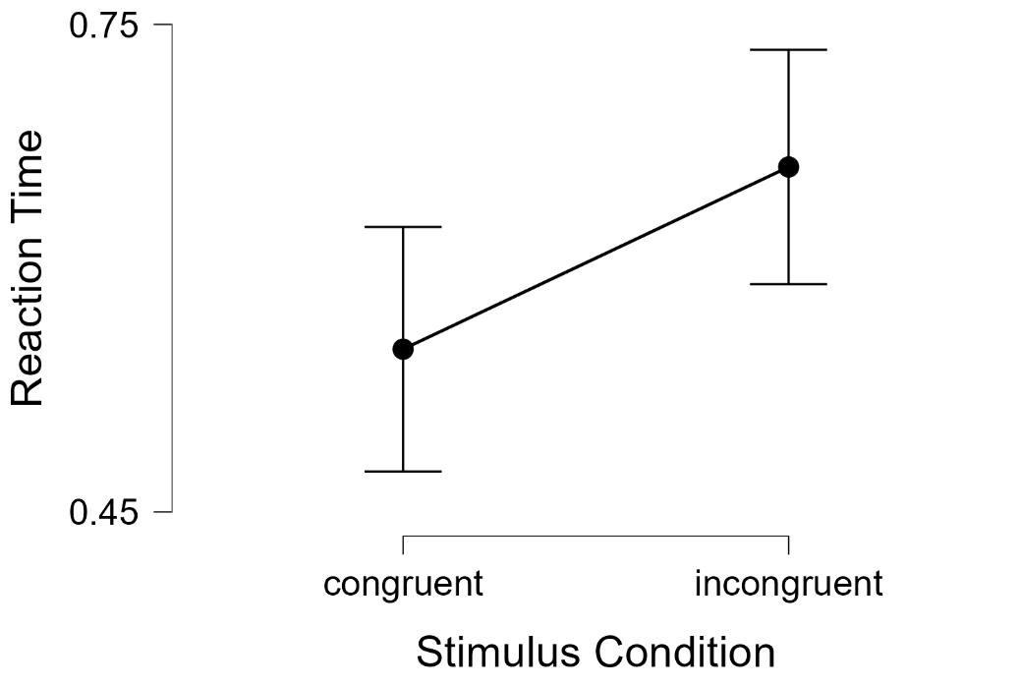

Bar Plots

Congruent-Incongruent

